UBH
 |  | SAG ALSAHRA

 |  | PO Box: 757, P.C: 102, 4th Floor, Dar Al Atta Building, Ghala Heights, Muscat, Sultanate of Oman
 |  | SPECIALITY TOOLS INSPECTION REPORT
CUSTOMER: | RAY INTERNATIONAL OIL & GAS |  |  |  |  |  |  |  | LOCATION: |  | NIZWA WORKSHOP |  |  |  |  | RIG No: |  |  | N/A |  |  | DATE: |  | 2026-03-08

SPECIFICATION: | DS-1 STANDARD: | ✔ | CATEGORY |  |  | CAT 3-5 |  |  |  | API RP-7G-2 |  |  |  |  |  | JOB No: |  |  | 26028 |  |  | Report No: |  | SAG-2026-26028-RAY-028

INSPECTION PROGRAM: |  |  |  | INSPECTION EQUIPMENT DETAILS: |  |  |  |  |  |  |  | DETAILS OF CONSUMABLES : |  |  |  |  |  |  |  |  | INSPECTION PARTICULARS

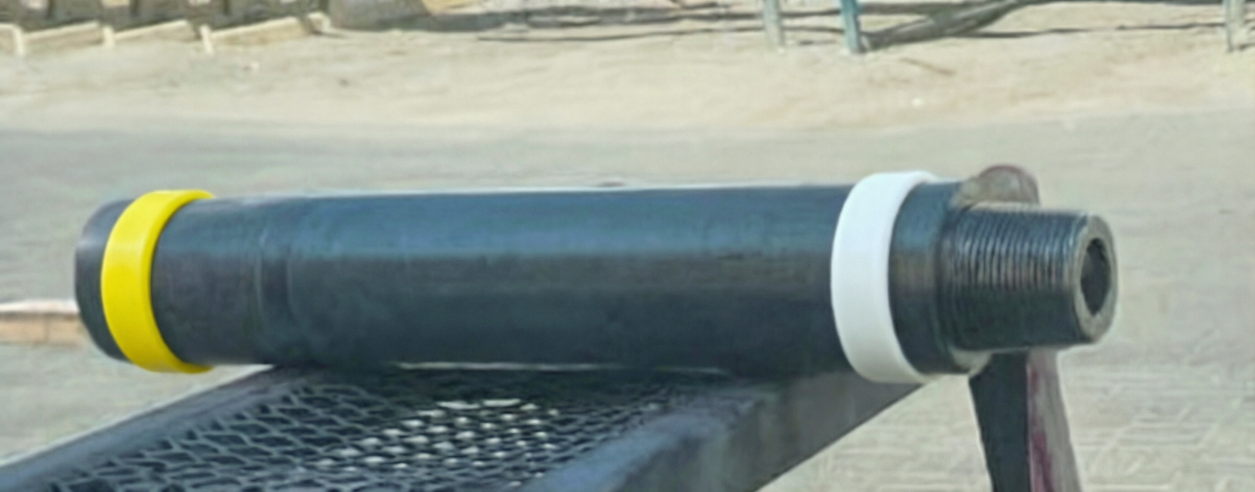
Full Body / Thread Visual Inspection |  | ü |  | Equipment |  |  | Serial No. |  | Cal due on |  |  | Product |  |  | Manufactured by |  |  | Date of Expiry |  |  | Light Intensity ( LUX ) |  |  |  | 1000 LUX
Tool Photo |  |  |  | A.C Yoke |  |  |  |  |  |  |  | Penetrant |  |  | MR CHEMIE-MR72 |  |  | 11/2030 |  |  | UV Intensity ( µ W ) |  |  |  | 1000
Dye penetrant Inspection |  | ü |  | Black Light |  |  |  |  |  |  |  | Developer |  |  | MR CHEMIE-MR76S |  |  | 07/2030 |  |  | Surface Condition |  |  |  | CLEAN
Borescopic Inspection |  |  |  | Mag. Coil |  |  |  |  |  |  |  | Solvent Remover |  |  | USING WATER WASHABLE |  |  |  |  |  | MPI System Performance |  |  |  | OK
Dimensional Inspection |  | ü |  | Lifting Block |  |  |  |  |  |  |  |  |  |  |  |  |  |  |  |  | Dwell Time ( Min) |  |  |  | 20 MINUTE
Ultrasonic Inspection |  |  |  | UV Intensity Mt |  |  |  |  |  |  |  |  |  |  |  |  |  |  |  |  | Devoloping Time ( Min) |  |  |  | 10 MINUTE
ACFM |  |  |  | LUX METER |  |  | C220092991 |  | 03/2026 |  |  |  |  |  |  |  |  |  |  |  | Post Cleaning |  |  |  | OK

S/N No | Description | Length (Mtr) | Body Cond: | BOX END AREA |  |  |  |  |  |  |  |  |  | PIN END AREA
 |  |  |  | Conn Type | OD | BoreBack / Float |  | Counter Bore |  | Beval dia | FNL / Tong space | Thread Length | Condtion | Conn Type | SRG / Pin Neck |  | Nose Dia | Cylinder Dia | ID. Champ Dia | Thread Length | TNL / Tong space | Beval dia | OD | ID | Condtion
 |  |  |  |  |  | Dia | Length | Depth / Wall | Dia |  |  |  |  |  | Dia | Length
 |  |  |  |  | A | B | C | D | E | F | G | H |  |  | J | K | L | M | N | P | G | F | T | S
UBO 9502 | UBHO | 0.815 | OK | 7 5/8 REG | 9 | ... | ... | 5/8 | 7 1/16 | 8 3/4 | ... |  | SD | 7 5/8 REG | .... | 15/32 | ... |  |  | 5 3/16 | ... | 8 3/4 | 9 | 3 | OK

Insert Picture |  |  |  |  |  |  |  |  | INSERT PICTURE

Abbreviation: PT- Pitted Threads, CT- Corroded Threads, TD - Thread damage , ST - Stretched Threads,GT- Galled Threads ,WT- Worn Threads ,PBB-Pitted Bore Back,RF-Reface ,SD -Shoulder Damage,PS-Pitted Seal,SB -Swelled Box,PSRG -Pitted SRG ,IDP-Pin ID Pitted RC-Rechase ,NDF -No Defects Found
COMMENTS: | THE ABOVE-MENTIONED TOOL HAS BEEN INSPECTED AND BOX CONNECTION REJECTED DUE TO DAMAGED SEAL (REPAIRABLE)
SUMMARY
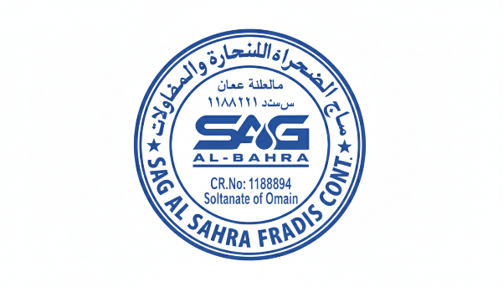
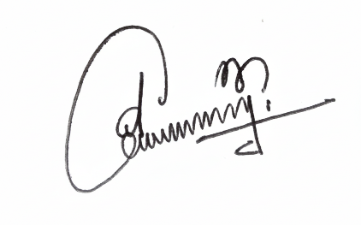
READY TO USE | 0 |  |  |  |  | SHOP REPAIRABLE |  |  |  | 1 |  |  |  |  |  |  | SCRAP |  |  |  |  |  |  |  | 0
DETAILS OF REPAIR
BOX COND. | SD |  |  |  |  | BODY COND. |  |  |  | OK |  |  |  |  |  |  | PIN COND. |  |  |  |  |  |  |  | OK

JIJU JAYAPRASAD |  |  |  |  |  |  |  | 2026-03-08 |  |  |  |  |  |  |  |  |  | Shajimon P K

CUSTOMER SIGNATURE |  |  |  |  |  |  |  | DATE |  |  |  |  |  |  |  |  |  | INSPECTOR

